Sheet2
 |  |  |  | ASSINGMENT -4

 | QUESTION -1

 | Travel Agents

 | Country | Resort Name | No of Days | Travel Method | Price | Holiday ID |  | Q1. Create a pivot table from this data, then use the filters within to view the average prices of holidays that have a Travel Method of Plane and a Resort Name that begins with the letter S:
 | Australia | Great Barrier Reef | 32 | Plane | $750.00 | I990AUS
 | Australia | Perth | 28 | Plane | $985.00 | AUS112J
 | Chile | Santiago | 21 | Plane | $1,259.00 | CH266H
 | England | London | 3 | Train | $69.00 | I456UK
 | England | Bognor | 1 | Coach | $12.00 | BG726H |  | Travel Method | Plane
 | France | Lyon | 14 | Plane | $399.00 | A7995FR
 | France | Paris - Euro Disney | 5 | Train | $269.00 | TH789FR |  | Average of Price | Column Labels
 | France | Paris - Euro Disney | 3 | Train | $125.00 | TH788FR |  | Row Labels | 10 | 14 | 21 | Grand Total
 | France | Nice | 7 | Plane | $289.00 | I7897FR |  | Santiago |  |  | 1259 | 1259
 | France | Toulouse | 7 | Train | $256.00 | SG7637L |  | Seville | 199 | 288 |  | 243.5
 | France | Nimes | 7 | Plane | $287.00 | FR5625J |  | Grand Total | 199 | 288 | 1259 | 582
 | Germany | Black Forest | 4 | Coach | $69.00 | A111G
 | Germany | Berlin | 7 | Coach | $289.00 | BR6736G
 | Peru | Lima | 21 | Plane | $975.00 | PG7836G
 | Saudi Arabia | Riyadh | 14 | Plane | $995.00 | KSA8987
 | Spain | Barcelona | 4 | Train | $219.00 | I6675SP
 | Spain | Nerja | 6 | Plane | $198.00 | TH990ESP
 | Spain | Malaga | 16 | Plane | $234.00 | A776ESP
 | Spain | Seville | 14 | Plane | $288.00 | NM9876Y
 | Spain | Seville | 10 | Plane | $199.00 | TH8956SP
 | Spain | Barcelona | 8 | Plane | $177.00 | AJ9836L
 | Spain | Barcelona | 7 | Coach | $199.00 | GG9836P
 | Spain | Malaga | 14 | Plane | $301.00 | PL8726P
 | Spain | Barcelona | 4 | Train | $219.00 | I6675SP
 | Spain | Seville | 14 | Train | $299.00 | SV767HH
 | Spain | Madrid | 8 | Plane | $277.00 | WE6735L
 | Spain | Granada | 10 | Plane | $345.00 | GR7878G
 | Trinidad | Port of Spain | 14 | Plane | $885.00 | TT67624G

 | QUESTION -2

 | Open the workbook in the above folder, and create the following pivot table based upon it:
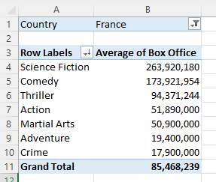

 |  | Country | France

 | SOLUTION : | Row LabelsE57:G78 | Average of Box Office
 |  | Action | 51890000
 |  | Adventure | 19400000
 |  | Comedy | 173921954
 |  | Crime | 17900000
 |  | Martial Arts | 50900000
 |  | Science Fiction | 263920180
 |  | Thriller | 94371243.5
 |  | Grand Total | 85468239.077

 | Remove the filter by country, and replace it with a slicer by country instead. Use this to show all Australasian films:
 | The average box office takings by genre for films made in Australia or New Zealand.
 | Create another pivot table (on a separate sheet) to show average Oscar wins by certificate. Apply the original slicer to this pivot table too to show this for Australia and New Zealand only:
 | Right-click on your slicer and choose Report connections to apply it to this pivot table also; you should see the results shown above.

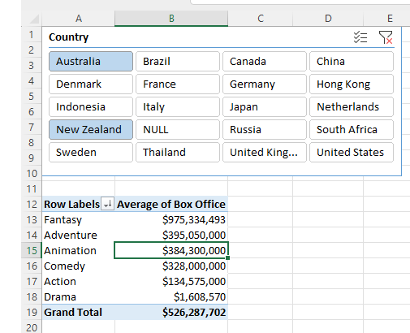
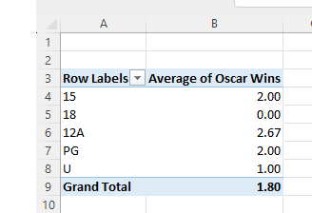

solution : |  | Country | (Multiple Items)

 |  | Row LabelsE57:G78 | Average of Box Office
 |  | Action | 341939204.85
 |  | Adventure | 336712922.48
 |  | Animation | 514334125.88
 |  | Awful | 668743200
 |  | Biography | 187969768.39
 |  | Comedy | 163431141.61
 |  | Crime | 80692488.537
 |  | Disaster | 234481475.62
 |  | Documentary | 29529368
 |  | Drama | 108397110.29
 |  | Family | 185050000
 |  | Fantasy | 368602304.09
 |  | History | 121284787.8
 |  | Horror | 134979521.5 |  |  | New pivot table |  | Row Labels | Average of Oscar Wins
 |  | Martial Arts | 136480548 |  |  |  |  | 12 | 0.53703703704
 |  | Musical | 69258765.444 |  |  |  |  | 15 | 0.56666666667
 |  | Mystery | 422747970.2 |  |  |  |  | 18 | 0.576
 |  | Romance | 324333059.29 |  |  |  |  | 12A | 0.34415584416
 |  | Romantic Comedy | 92880000 |  |  |  |  | PG | 0.84924623116
 |  | Science Fiction | 369177414.23 |  |  |  |  | U | 0.91525423729
 |  | Sport | 144585714.29 |  |  |  |  | Unknown | 0
 |  | Thriller | 208417457.08 |  |  |  |  | Grand Total | 0.63636363636
 |  | War | 107852244.46
 |  | Western | 73710832.419
 |  | Grand Total | 254268031.83

 | QUESTION -3

 | Convert this data into a pivot table and find the overall average speed of all rides that satisfy the following criteria:
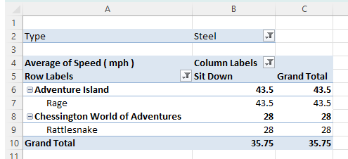
 | The Type is Steel

 | The Design is Sit Down

 | The Amusement Park has the word adventure somewhere in the title

 | Having narrowed your data down, you should get to this point:

 | solution :
 | Type | Steel
 | Design | Sit Down

 | Row Labels | Average of Speed ( mph )
 | Adventure Island | 43.5
 | Chessington World of Adventures | 28
 | Grand Total | 35.75

 | QUESTION -4

 | Chocolate Bar Favourites |  |  |  |  |  | Open the Excel Workbook found in the folder above and select the data for just the UK and France:
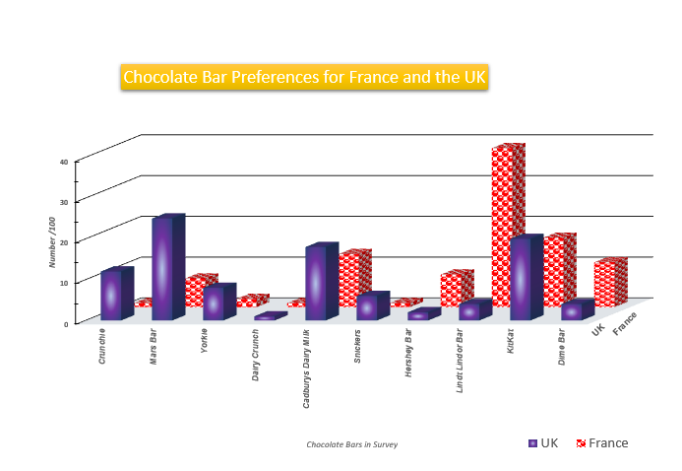
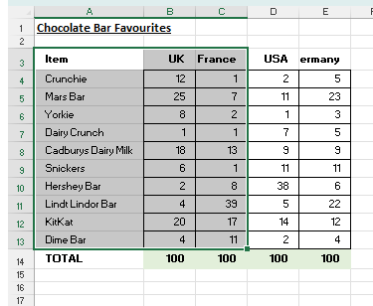
 | Item | UK | France | USA | Germany
 | Crunchie | 12 | 1 | 2 | 5
 | Mars Bar | 25 | 7 | 11 | 23
 | Yorkie | 8 | 2 | 1 | 3
 | Dairy Crunch | 1 | 1 | 7 | 5
 | Cadburys Dairy Milk | 18 | 13 | 9 | 9
 | Snickers | 6 | 1 | 11 | 11
 | Hershey Bar | 2 | 8 | 38 | 6
 | Lindt Lindor Bar | 4 | 39 | 5 | 22
 | KitKat | 20 | 17 | 14 | 12
 | Dime Bar | 4 | 11 | 2 | 4
 | TOTAL | 100 | 100 | 100 | 100

 | solution :

Chocolate Bar Preference for France and the UK
 | Item | UK | France | USA | Germany
 | Crunchie | 12 | 1 | 2 | 5
 | Mars Bar | 25 | 7 | 11 | 23
 | Yorkie | 8 | 2 | 1 | 3
 | Dairy Crunch | 1 | 1 | 7 | 5
 | Cadburys Dairy Milk | 18 | 13 | 9 | 9
 | Snickers | 6 | 1 | 11 | 11
 | Hershey Bar | 2 | 8 | 38 | 6
 | Lindt Lindor Bar | 4 | 39 | 5 | 22
 | KitKat | 20 | 17 | 14 | 12
 | Dime Bar | 4 | 11 | 2 | 4
 | TOTAL | 100 | 100 | 100 | 100

